Intro
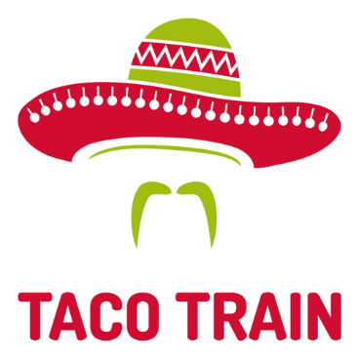

http://tacotrain.com/

Taco Train is a mexican restuarant that my wife and I visited while on vacation in Manhattan.
They give you the menu and you fill out how many items you want.

Imagine that we have the daily count for all orders across New York City locations.
How can we easily analyze the data?

1. Menu
 |  |  |  | FALSE
Part of the menu from Tacombi !
Neighborhood Taquerias

How can we pivot this data?
QTY. | ENTRADAS
23 | CORN ESQUITES | 3.95 | 11.95
38 | RICE & BEANS | 3.95
32 | GUACAMOLE CON TOTOPOS | 11.95
19 | AVOCADO TOSTADA | 3.95
21 | YELLOWFIN TUNA TOSTADA | 8.49
133 |  | 6.458
QTY. | TACOS
108 | AL PASTOR | 3.95
End of day quantity (imaginary) for each item sold
77 | BARBACOA | 4.49
Why use Pivot Tables? Pivot Tables allow you to quickly & easily analyze your data. No formulas! Pivots are almost as amazing as Tacombi Tacos!
68 | ACAPULCO SHRIMP | 5.95
48 | POLLO YUCATECO | 3.95
57 | BAJA CRISPY FISH | 5.95
81 | CARNITAS | 3.95
72 | SEARED FISH | 6.95
49 | CHORIZO CON PAPAS | 3.95
38 | BLACK BEAN & SWEET POTATO | 3.95
598 |  | 4.7877777778
QTY. | CAMPECHANOS
61 | VERACRUZANA | 6.95
57 | CHILANGO | 6.95
118 |  | 6.95
QTY. | QUESADILLAS
48 | VEGETARIANO | 6.95
102 | GRINGA | 7.95
64 | GOBERNADOR | 7.95
89 | GALLO | 7.95
303 |  | 7.7
QTY. | BREAKFAST TACOS
47 | HUEVOS CON CHORIZO | 6.95
53 | HUEVOS CON CARNE | 6.95
71 | HUEVOS A LA MEXICANA | 5.95
171 |  | 6.6166666667

2. What we need to do
TACOMBI
 |  |  | use formual for rearranging
Given this data layout...
Neighborhood Taquerias
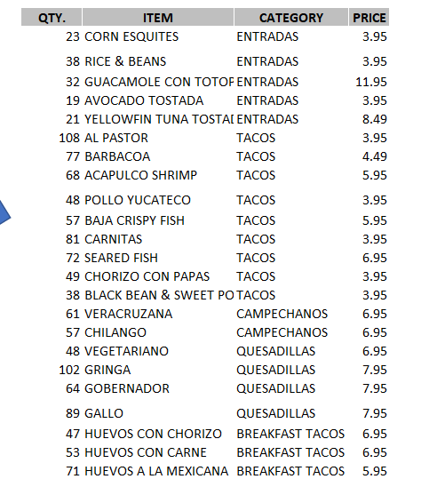
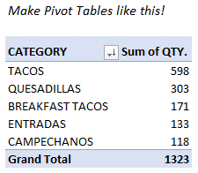

QTY. | ENTRADAS
23 | CORN ESQUITES | 3.95
38 | RICE & BEANS | 3.95
rearrange the data
32 | GUACAMOLE CON TOTOPOS | 11.95
19 | AVOCADO TOSTADA | 3.95
create pivots like this!
21 | YELLOWFIN TUNA TOSTADA | 8.49

Quantity (QTY.)
ITEM
CATEGORY
PRICE
QTY. | TACOS
108 | AL PASTOR | 3.95
77 | BARBACOA | 4.49
68 | ACAPULCO SHRIMP | 5.95
Here's the plan!
48 | POLLO YUCATECO | 3.95
57 | BAJA CRISPY FISH | 5.95
81 | CARNITAS | 3.95
72 | SEARED FISH | 6.95
49 | CHORIZO CON PAPAS | 3.95
38 | BLACK BEAN & SWEET POTATO | 3.95
 |  |  |  | PLAN
QTY. | CAMPECHANOS |  |  | 1. Transform (re-arrange) the menu data into a pivotable format.
61 | VERACRUZANA | 6.95 |  | 2. Create Pivot Tables to uncover insights in your data!
57 | CHILANGO | 6.95

QTY. | QUESADILLAS
48 | VEGETARIANO | 6.95
102 | GRINGA | 7.95
64 | GOBERNADOR | 7.95
89 | GALLO | 7.95

QTY. | BREAKFAST TACOS
47 | HUEVOS CON CHORIZO | 6.95
53 | HUEVOS CON CARNE | 6.95
71 | HUEVOS A LA MEXICANA | 5.95

